1. Title Page
[Data Analysis]

Project Name: Instacart Grocery Basket Analysis
Date: January 2025
Analyst Name: Bilel Yahyaoui

Contents:
Population Flow
Consistency checks
Wrangling steps
Column derivations
Visualizations
Recommendations

Data Source:
“The Instacart Online Grocery Shopping Dataset 2017”, Accessed from www.instacart.com/datasets/grocery-shopping-2017 via Kaggle on December 2024

Data Citation:
Customer data and the “prices” column in the products data set were fabricated for the purpose of this course.

2. Population Flow
Title page

Population flow

Exclusion flag
Condition: max_order < 5
Obervations to be removed: 1440295
Final total count of order_products_all: 30964564

Orders_products_combined
Orders_products_merged
Orders_products_all

Total: 32404859
Total: 32434489
Total: 32404859

1.) The grey boxes in the first row of the population flow represent the original data sets as they were when you downloaded them. In the Total fields you need to add the count of the rows when you imported the data set into Jupyter.
2.) The second row of boxes (coloured) represents the data sets after you manipulated them, e.g., removed missing values and duplicates. In the Total fields you need to add the count of the rows after conducting these operations. This offers a visual oveview of how the data flows throughout the data consistency checks.
3.) The third row, where also the arrows are coloured, represents the merges you performed between the datasets. In the Total fields you need to add the count of the rows in the merged datasets, so that you end up with the final dataset (in the red box). Keep in mind the final dataset should be without exclusions (based on the exclusion flag).

3. Consistency checks
 |  |  |  | Title page
Consistency checks

Dataset | Missing values | Missing values treatment | Duplicates
orders | 206206 in the 'days_since_prior_order' column | new_customer' flag added | No Duplicates
products | 16 in 'product-name' column | deleted | 5 duplicates rows deleted
orders_products_prior | No Missing values | None | No Duplicates
customers | No Missing values | None | No Duplicates
Orders_products_merged | 5127 'prices' over $100 marked as missing | marked as NaN | No Duplicates

4. Wrangling steps
 |  |  |  |  | Title page
Wrangling steps

Data set | Columns dropped | Columns renamed | Columns' type changed | Comment/Reason
orders | eval_set |  |  | not necessary for analysis
 |  | order_dow' to'orders_day_of_week' |  | Calrity
 |  |  | order_id | changed to string
 |  |  | user_id | changed to string
 |  |  | order_number | changed to string
Orders_products_combined |  |  | order_id | changed to int 32 to reduce memory
 |  |  | user_id | changed to int 32 to reduce memory
 |  |  | order_number | changed to int 8 to reduce memory
 |  |  | orders_day_of_week | changed to int 8 to reduce memory
 |  |  | orders_hour_of_day | changed to int 8 to reduce memory
 |  |  | days_since_prior_order | changed to floot 32 to reduce memory
 |  |  | product_id | changed to int 32 to reduce memory
 |  |  | add_to_cart_order | changed to int 32 to reduce memory
 |  |  | reordred | changed to int 8 to reduce memory
customers |  | First.Name to 'first_name' |  | maintain naming convention
 |  | Surnam to 'last-name' |  | maintain naming convention
 |  | Gender to 'gender' |  | maintain naming convention
 |  | STATE to 'state' |  | maintain naming convention
 |  | Age to 'age' |  | maintain naming convention
 |  | n_dependents to 'number_of_dependants' |  | maintain naming convention
 |  | fam_status to 'family_status' |  | maintain naming convention
 |  |  | first_name | Changing from mixed-type to string
Orders_products_all | first_name |  |  | adressing PII data
 | last_name |  |  | adressing PII data

5. Column derivations
 |  |  |  |  |  | Title page

Column derivations and aggregations

Dataset | New column | Column/s it was derived from | Conditions
orders_wrangled | new_customer | days_since_prior_order | Nan = Trure / value = False
ords_prods_merge | price_range_loc | prices | if prices <= 5 then 'Low-range product' if prices >5 & <= 15 then 'Mid-range product' if prices > 15 then 'High-range product' else 'Not enough data'
 | busiest_day | orders_day_of_week | if value == 0 then 'Busiest day' if value == 4 then 'Least busy' else 'Regularly busy'
 | Busiest days | orders_day_of_week | if value == 0 or 1 then 'busiest days' if value == 3 or 4 then 'slowest days' else 'regularly busy'
 | busiest_period_of_day | order_hour_of_day | if value in [9 to 16] then 'Most orders' if value in [0 to 6 & 23]]then 'Fewest orders' else 'Average orders'
ords_prods_merge_dervied | max_order | order_number | max(order_number) by user_id
 | loyalty_flag | max_order | if value > 40 then 'Loyal customer' if value <= 40 & > 10 then 'Regular customer' if value < 10 then 'New customer
 | avg_prods_price | prices | average (prices) by user
 | spending_flag | avg_prods_price | if value > 10 then 'Low spender' if value >= 10 then 'High spender'
 | customer_frequency | days_since_prior_order | median(days_since_prior_order) by user_id
 | order_frequency_flag | customer_frequency | if value < 20 then 'Non_frequent_customer' if value <= 20 & > 10 then 'Regular customer' if value > 10 then 'Frequent customer'
orders_products_customers_merged | region | state | State defined into regions according to this List of regions of the United States
 | activity_flag | max_order | if value < 5 then 'low-activity customer' if value =>5 then 'high-activity customer'
orders_products_high-activity customer_merged | income_group | income | if value > 120000 then 'high-income' if value > 40000 & <= 120000 then 'middle-income' if value < 40000 then 'low-income'
 | age_group | age | if value > 64 then 'senior' if value > 44 & <= 64 then 'middle-aged' if value > 25 & <= 44 then 'adult' if value <= 25 then 'young adult'
 | dependents_flag | number_of_dependants | if value == 0 then 'No dependents' if value >= 1 then 'Has dependants'

In this tab you should add tables below that the frequences of flags/label variables that you produced after deriving them. NB: don't do this for continuous variables, only for flags.

orders_wrangled | ords_prods_merge | ords_prods_merge_dervied |  | orders_products_customers_merged |  |  | orders_products_high-activity customer_merged

new_customer | price_range_loc | loyalty_flag | loyalty_flag per users | activity_flag | activity_flag per users |  | income_group
False 30328763 | Mid-range product 21860860 | Regular customer 15876776 | Loyal customer 17017 | high-activity customer 30964564 | high-activity customer 162631 |  | middle-income 20173026
True 2076096 | Low-range product 10126321 | Loyal customer 10284093 | New customer 112328 | low-activity customer 1440295 | low-activity customer 43578 |  | high-income 9179513
Name: count, dtype: int64 | High-range product 417678 | New customer 6243990 | Regular customer 76864 | Name: count, dtype: int64 | Name: user_id, dtype: int64 |  | low-income 1612025
 | Name: count, dtype: int64 | Name: count, dtype: int64 | Name: user_id, dtype: int64 |  |  |  | Name: count, dtype: int64

 |  |  |  |  |  |  | age_group
 | busiest_day | spending_flag | spending_flag per users |  |  |  | middle-aged 9690051
 | Regularly busy 22416875 | Low spender 31770614 | High spender 5357 |  |  |  | adult 9214451
 | Busiest day 6204182 | High spender 634245 | Low spender 200852 |  |  |  | senior 8195544
 | Least busy 3783802 | Name: count, dtype: int64 | Name: user_id, dtype: int64 |  |  |  | young adult 3864518
 | Name: count, dtype: int64 |  |  |  |  |  | Name: count, dtype: int64

 | Busiest_days | order_frequency_flag | order_frequency_flag per users |  |  |  | dependents_flag
 | Regular day 12916111 | Frequent Customer 21559853 | Frequent Customer 86596 |  |  |  | Has dependents 23224883
 | Busiest day 11864412 | Regular customer 7208564 | Non_frequent customer 59619 |  |  |  | No dependents 7739681
 | Slowest day 7624336 | Non_frequent customer 3636437 | Regular customer 59993 |  |  |  | Name: count, dtype: int64
 | Name: count, dtype: int64 | NaN 5 | Name: user_id, dtype: int64
 |  | Name: count, dtype: int64
 | busiest_period_of_day
 | Most orders 21118071
 | Average orders 9997651
 | Fewest orders 1289137
 | Name: count, dtype: int6

6. Visualizations
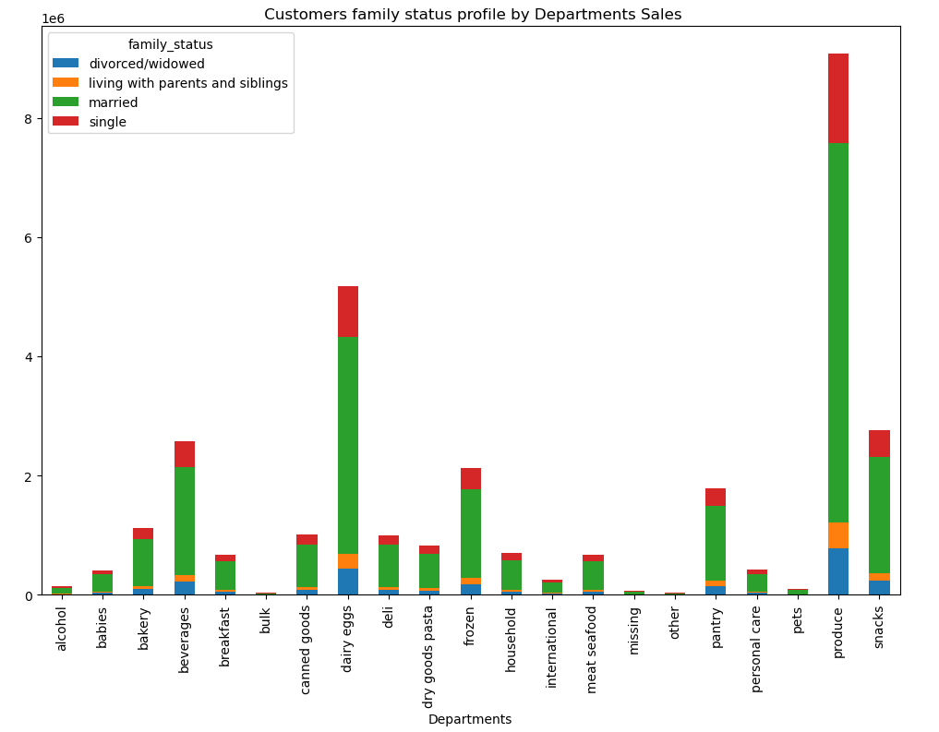
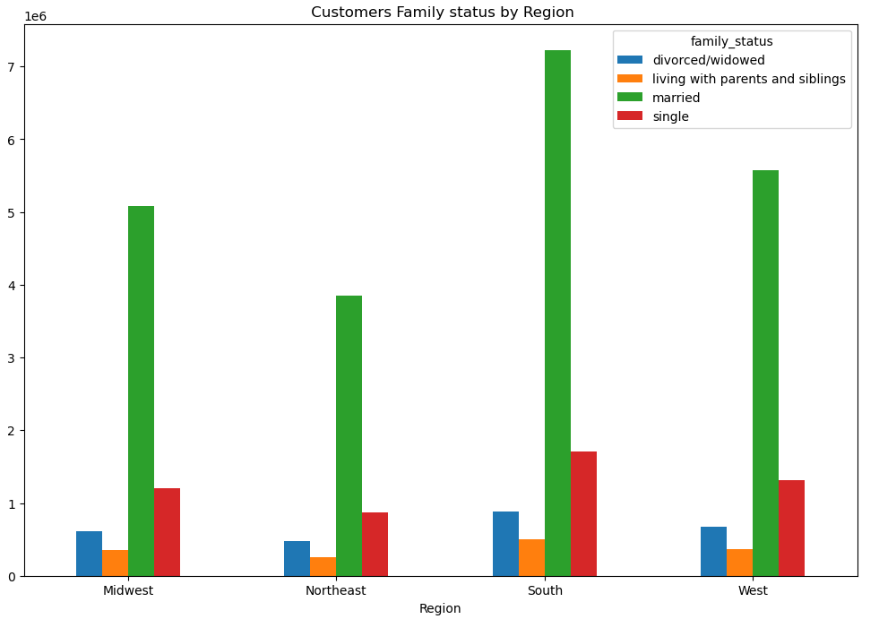
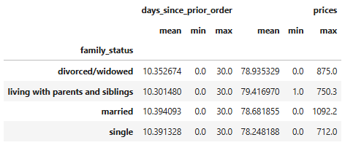
 |  | Title page

Visualisations

1 | The sales team needs to know what the busiest days of the week and hours of the day are (i.e., the days and times with the most orders) in order to schedule ads at times when there are fewer orders.

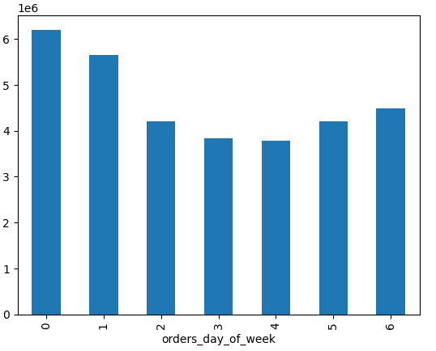
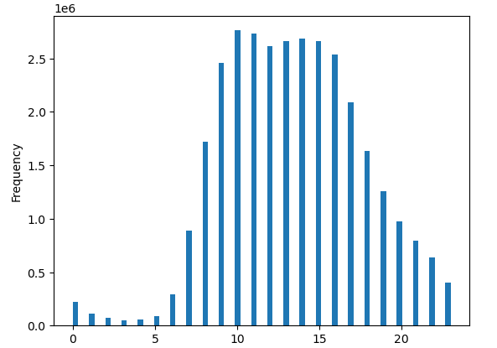

This chart shows the busiest days of the week, with days starting at Saturday(0) and ending at Friday(6). Based on the bar chart we can see Saturday and Sunday are the busiest days while Wednesday and Tuesday are the least busy days.
This chart on the right shows the busiest hours of the day with the most orders being made midday between the hours of 8am and 4pm. The early morning hours 0-6am are the least busy hours of the day.

2 | They also want to know whether there are particular times of the day when people spend the most money, as this might inform the type of products they advertise at these times.

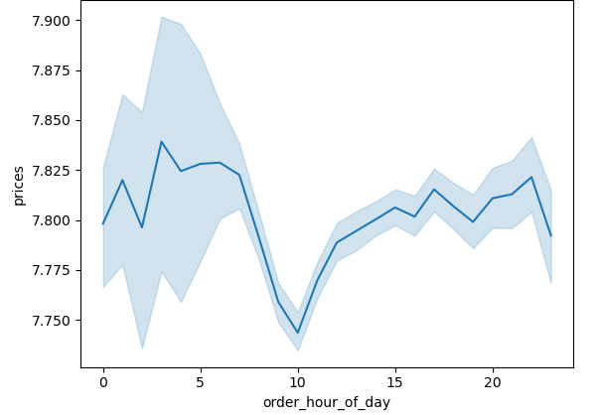
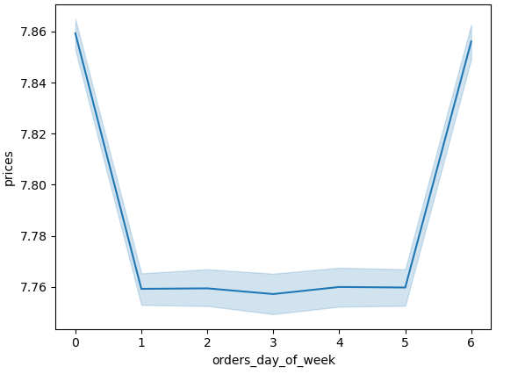

The chart to the left shows the mean price spent by hour of the day which People spend more money in the early hours of the day while the chart to the right shows mean price spent by day of the week with Friday and Saturday being peak days .

3 | Instacart has a lot of products with different price tags. Marketing and sales want to use simpler price range groupings to help direct their efforts.

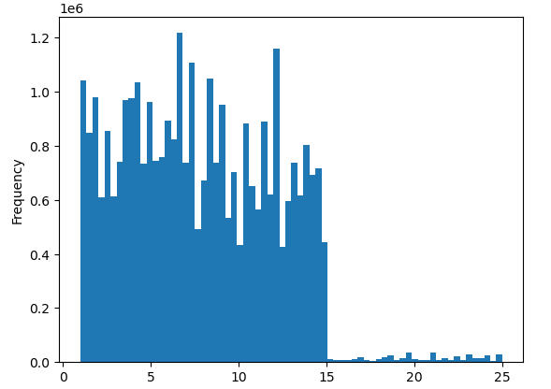
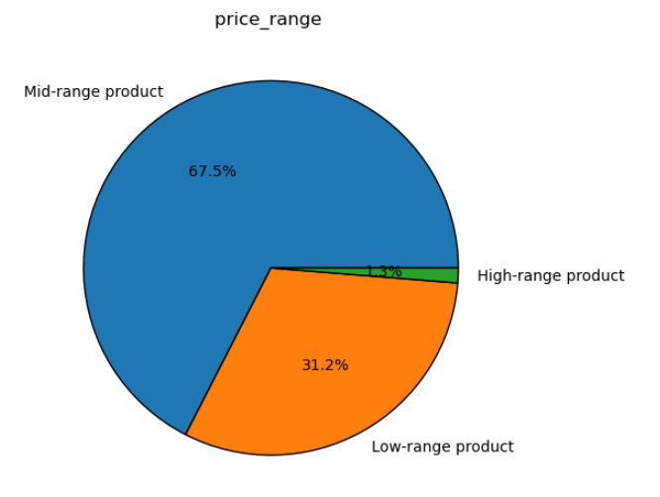

The chart to the left displays the frequency of products priced from 0-25 dollars, majority of items are priced below $15 (roughly 99%). To simplify the price range grouping, prices have been grouped in three categories..

4 | Are there certain types of products that are more popular than others? The marketing and sales teams want to know which departments have the highest frequency of product orders

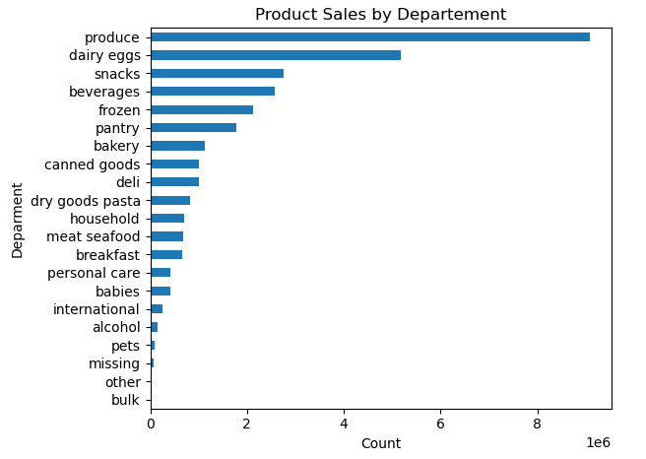

The chart shows the count of products(in millions) purchased broken down by department. The top 5 departments are produce, dairy/eggs, snacks, beverages, and frozen items respectively.
The departments that are the least popular are bulk, other, missing, pets, and alcohol. Alcohol sales can be affected by local/state laws and regulations

5 | What’s the distribution among users in regards to their brand loyalty (i.e., how often do they return to Instacart)?

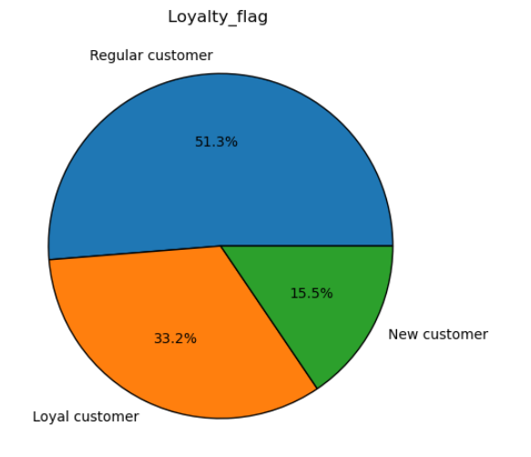
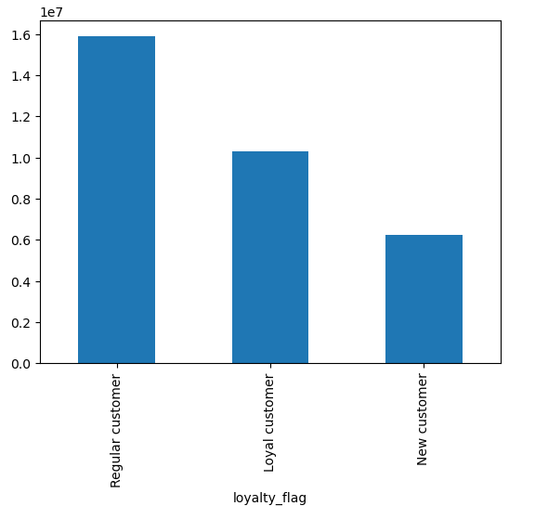

The charts shows the distribution of brand loyalty. Majority of our customer base are Regular customers (51,3 %) which means they have placed more than 10 orders but less than 41 , followed by our Loyal customers (33,2%) who are customers who have placed over 40 orders with Instacart.

6 | Are there differences in ordering habits based on a customer’s loyalty status?

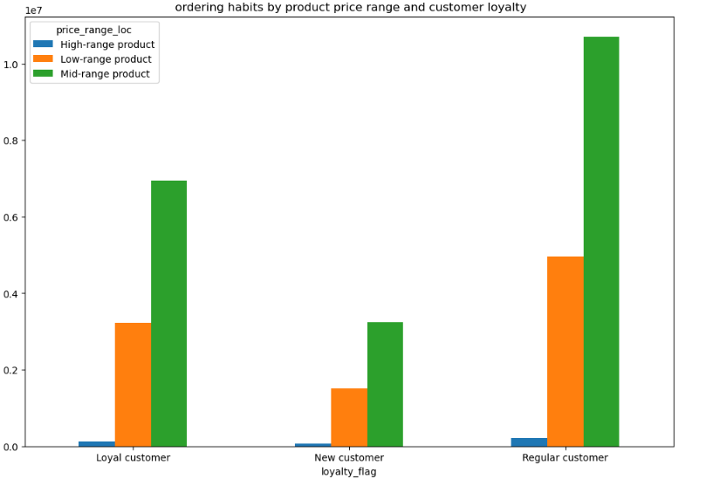

There does not seem to be a correlation between what types of products customers' buy related to their loyalty status. Regardless of loyalty status, each loyalty category follows the same trend; low number of orders for high-range products, high number of orders for mid-range products, and a medium number of orders for low-range products.
The majority of customers purchase mid or low-range products.

7 | Are there differences in ordering habits based on a customer's region?

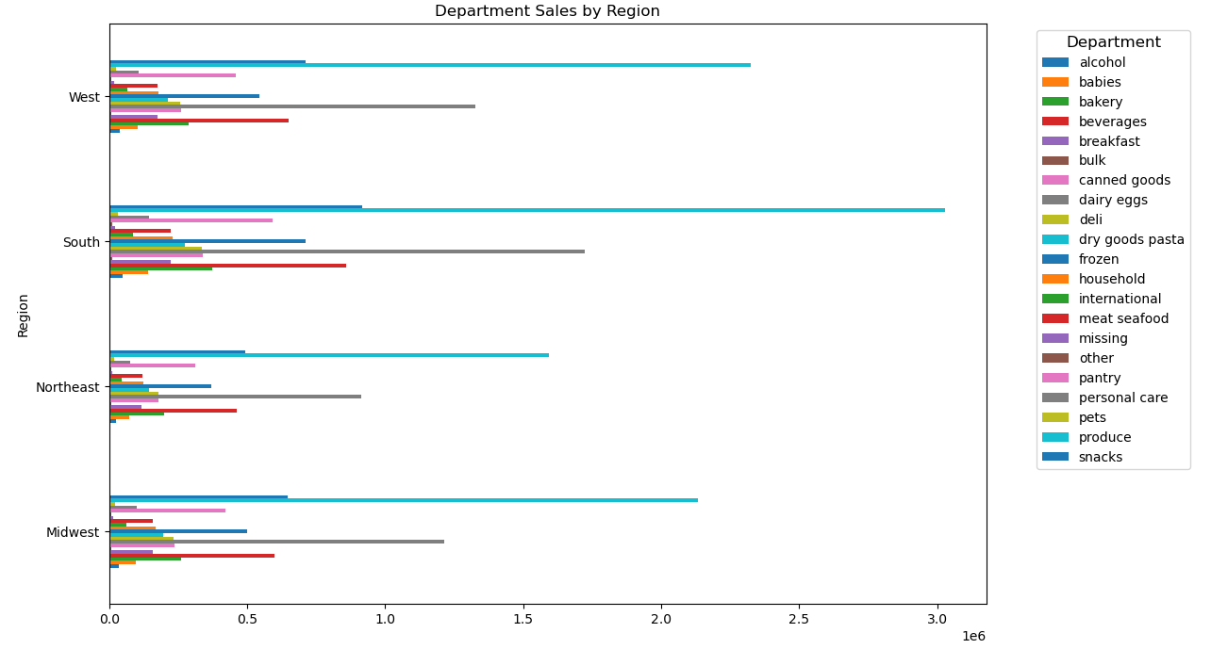
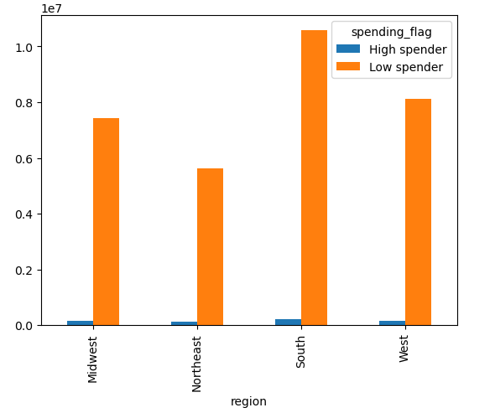

Total Product Orders are more in southern states and therefore the most customer orders in the app. The spending habits across the regions are simliarily proportioned with majority of customers being low spenders.

8 | Is there a connection between age and family status in terms of ordering habits?

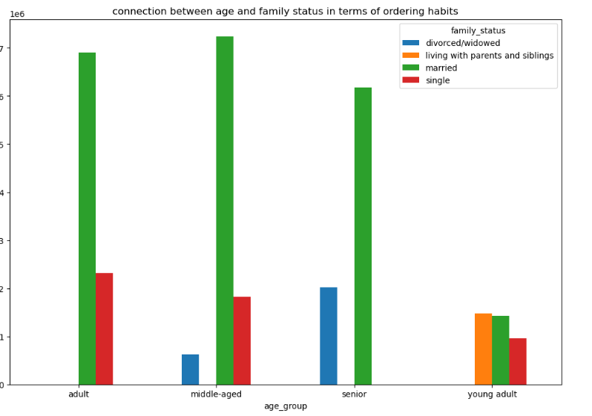

Top customers of Instacart are: middle-aged / married, adult/married and senio/married.
In the second postion we have adult/single, senior /divorced or widowed and middle_aged/single.
the third postion we have young adult who lives with their parents , young adult/married and young adult/single
the last position in term of ordering are middle-aged/divorced or widowed customers.

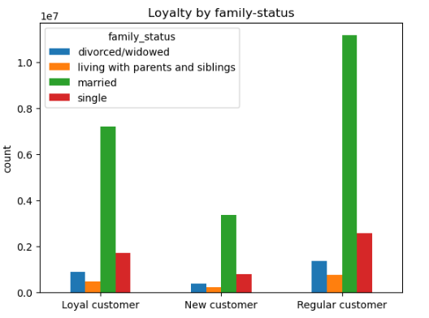
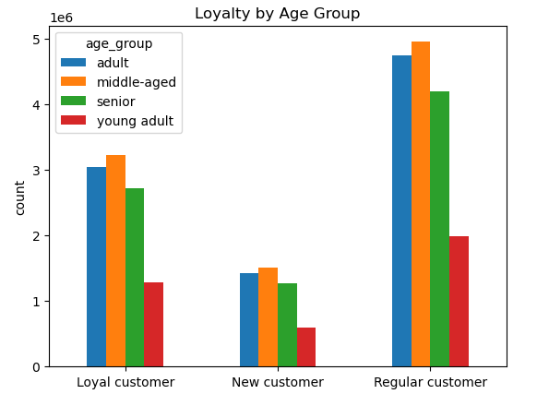

regarding Loyality status for Instacart's customers we find that loyal customers are middile_aged / married then adult/single
the top of regular custumers are middle-aged/married
and finaly the new customers are middle-aged/married , then adult /single

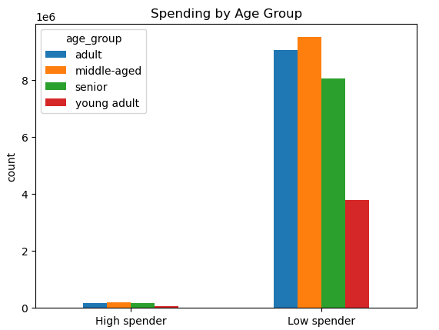
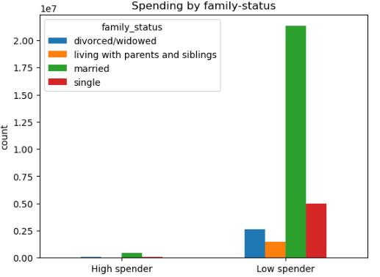

regarding spending habits for Instacart's customers we find that all customers are low spender, but in the top of those customers there are middle-aged/married

9 | What different classifications does the demographic information suggest? Age? Income? Certain types of goods? Family status?

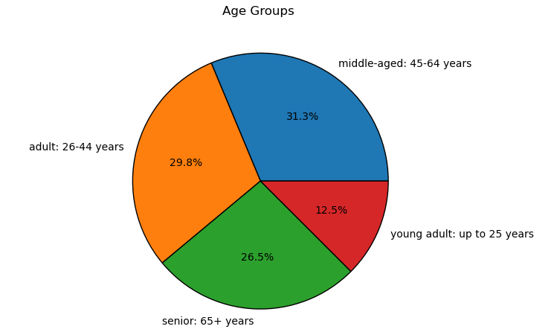
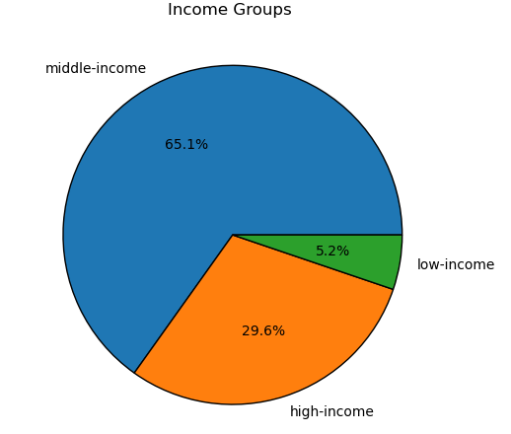
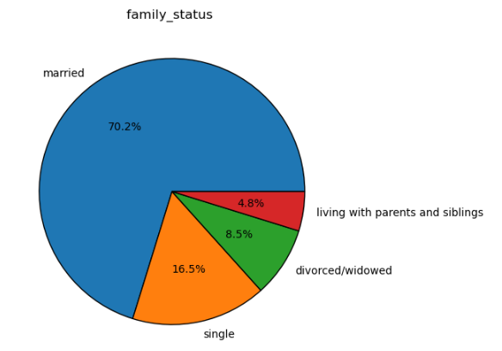
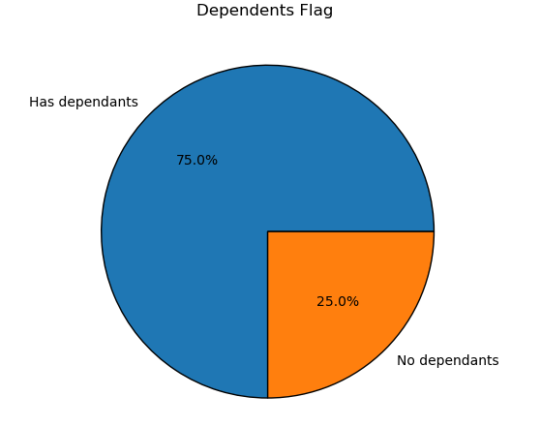

The infromation above suggest that Instacart users are typically middle-aged (45-64 years), Middle income (40001-120000 $), married, with dependents.

10 | What differences can you find in ordering habits of different customer profiles? Consider the price of orders, the frequency of orders, the products customers are ordering, and anything else you can think of.

 | Age_group profile
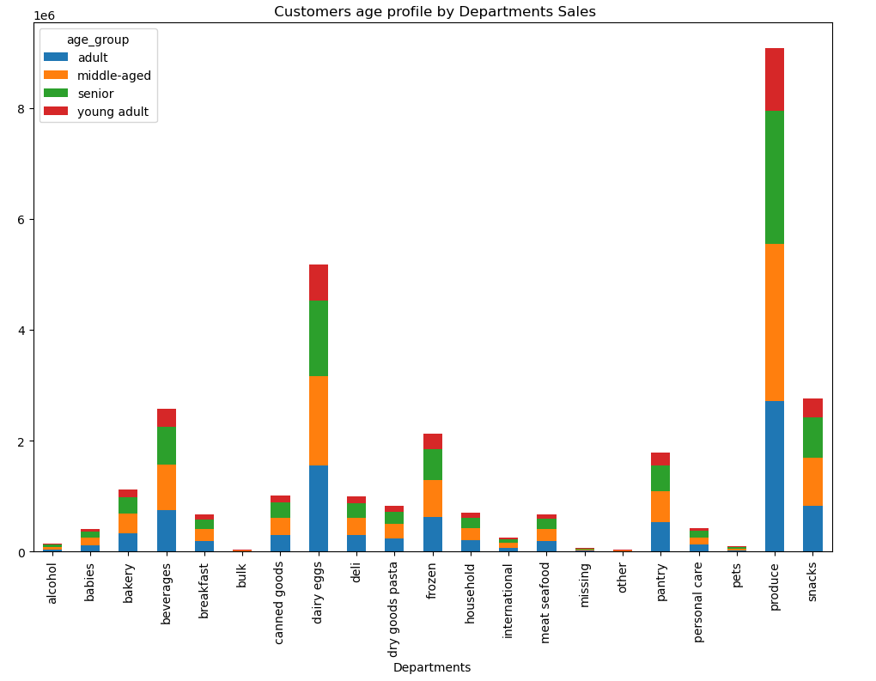

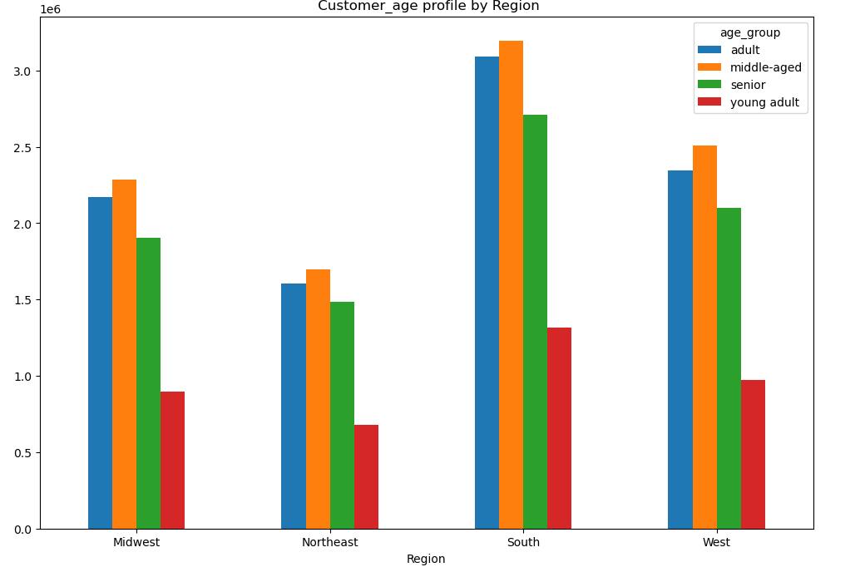
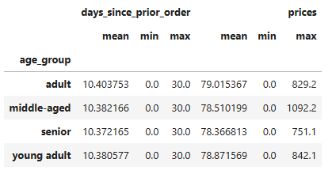

 | Income profile
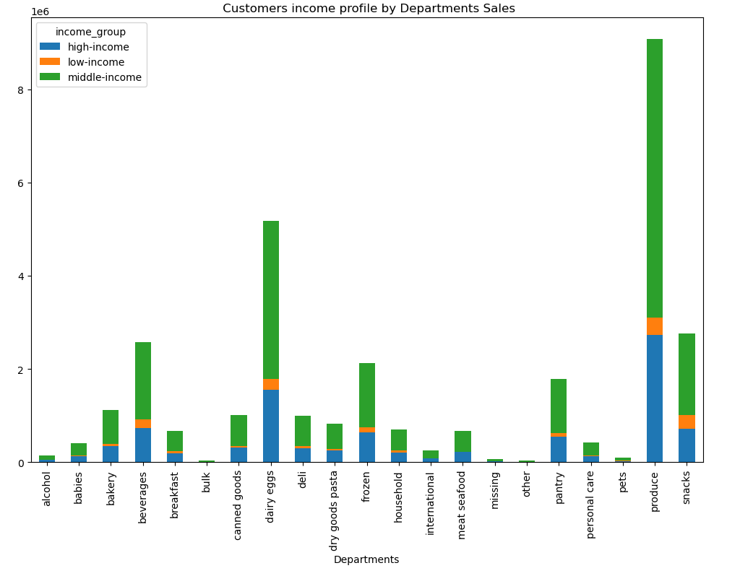
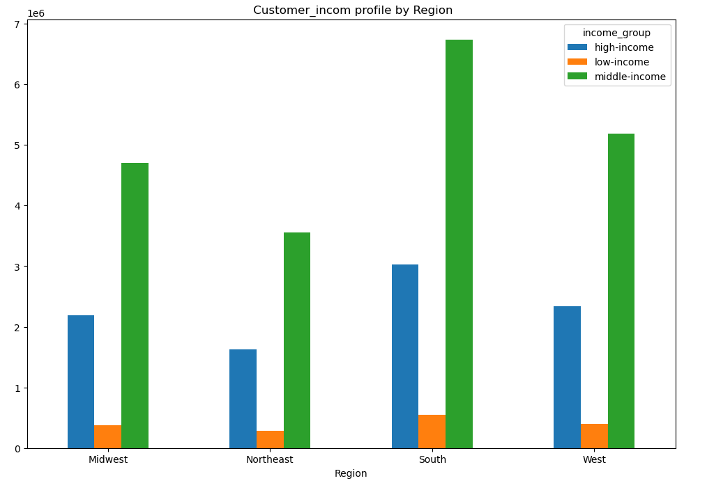

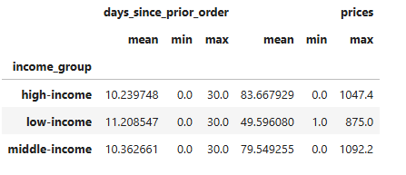

 | with or without dependents profile

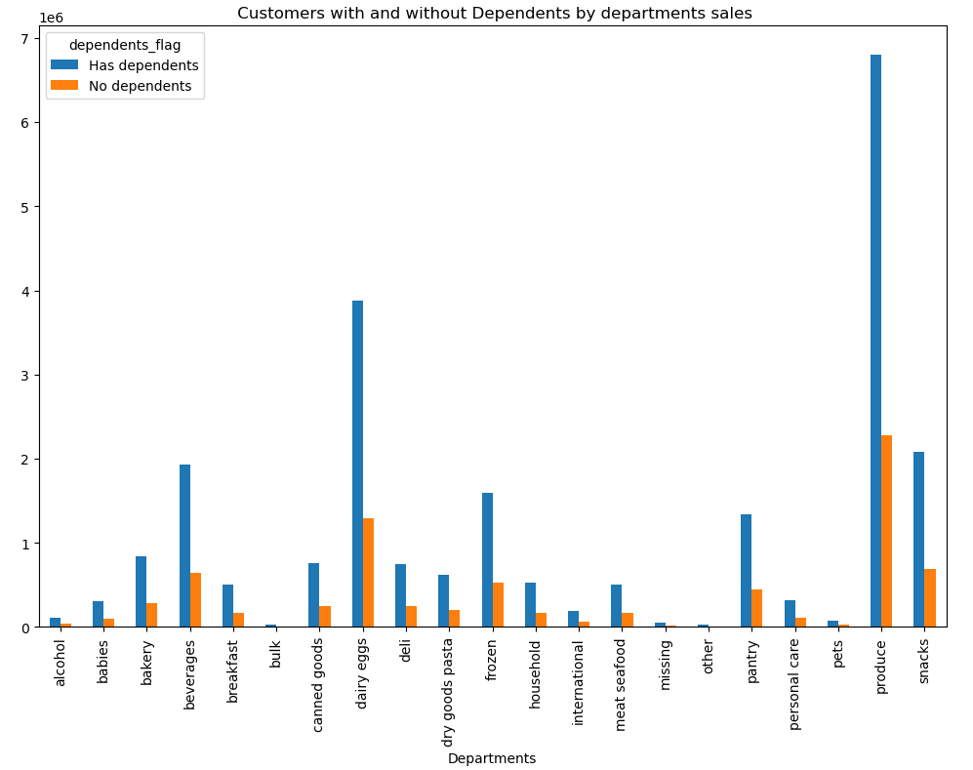
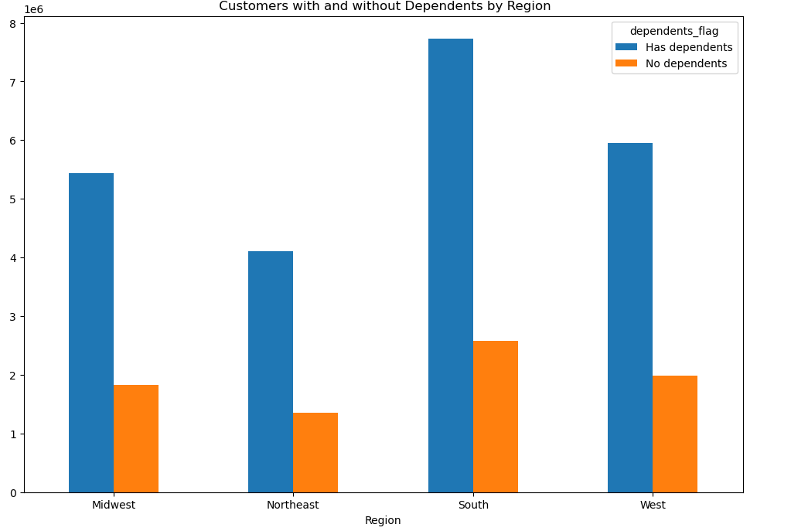
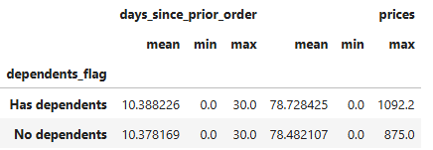

 | family status profile

7. Recommendations
 |  |  | Title page

Recommendations

In this tab you should include any recommendations you would made to Instcart in terms of their marketing strategy based on the questions posed in the brief. Every key question has been covered in the Tasks of the Exercises - here you need to add an item - a visualisation or table/crosstable that is showing the answer in the data, acompanied by a comment from you. Please, list the questions below and add the answer underneath.

 | Question | Answer
Key Question 1 | What days of the week and hours of the day are busiest? | The busiest days of the week are Saturday and Sunday between the hours of 8am to 4 pm. The least busy day is Wednesday between the hours of 2 am to 5 am. Therefore, Instacart should schedule ads on Wednesday during the times 6 am to 9am and 5pm to 10 pm. Scheduling it earlier than 6 am and later than 10 pm will not be beneficial as people might not be awake.

Key Question 2 | What times of the day do people spend the most money? | People spend the most money during the hours of 8am to 4pm. 9 am is when people spend the most money. Therefore, Instacart should utilize those times to advertise specific products by providing early morning promotional ads, such as early bird discounts, particularly on slower days like Tuesday and Wednesday.

Key Question 3 | Marketing and sales want to use simpler price range groupings to help direct their efforts. | The suggested price range groupings are shown in the chart . High-range products are products priced greater than or equal to $15, mid-range products are products priced greater than $5 but less than $15, and low-range products are products priced at or below $5

Key Question 4 | Are there certain types of products that are more popular than others? | The top 5 products are produce, dairy and eggs, snacks, beverages and frozen food. Therefore, Instacart should provide special offers on those categories to keep drawing customers' attention and activity. Instacart should also prmote and provide discounts on poorly performing departments to increase sales.

Key Question 5 | What's the distribution amoung users in regards to their brand loyalty? | Regular Customers contribute highest to the sales, followed by Loyal Customers. New Customers contibute the least. Instacart should aim to convert the decent flow of its new customers to regular customers or even loyal customers through promotional welcome incentives. Increase engagment with regular customers to encourage them to become loyal customers through offered discount incentives.

Key Question 6 | Are there differences in ordering habits based on a customer's loyalty status? | There does not seem to be a correlation between types of products customers' buy to their loyalty status. Regardless of the loyalty status, each loyalty category follows the same trend; low number of orders for high-range products, high number of orders for mid-range products, and a medium number of orders for low-range products. Majority of customers purchase mid or low-range products

Key Question 7 | Are there differences in ordering habits based on a customer's region? | Low Spenders are more in all regions than High Spenders. Instacart should focus on advertising to the South and should focus more on customers in the West and the Midwest as those regions are not too far from South . So Multiple strategies can be taken to boost sales in geographic regions. The first strategy can be to promote more high-range products in the south to increase the number of high spenders in the largest market. Another approach can be to target the West states as they are the second largest market

Key Question 8 | Is there a connection between age and family status in terms of ordering habits? | There is no specific relation between age and family status in terms of ordering habits, but Top customers of Instacart are: middle-aged / married, adult/married and senio/married. In the second postion we have adult/single, senior /divorced or widowed and middle_aged/single. the third postion we have young adult who lives with their parents , young adult/married and young adult/single the last position in term of ordering are middle-aged/divorced or widowed customers. Regarding Loyality status for Instacart's customers we find that loyal customers are middile_aged / married then adult/single the top of regular custumers are middle-aged/married and finaly the new customers are middle-aged/married , then adult /single. Regarding spending habits for Instacart's customers we find that all customers are low spender, but in the top of those customers there are middle-aged/married . So Instacart should provide special offers for middle_aged/married & adult to keep drawing customers' attention and activity. Instacart should also prmote and provide discounts for the others groups of age and family-status .

Key Question 9 | What different classifications does the demographic information suggest? | Instacart users are typically middle-aged (45-64 years), Middle income (40001-120000 $), married, with dependents. SO The marketing and sales teams should particularly interested in those different types of customers in their system.

Key Question 10 | What differences can you find in ordering habits of different customer profiles? Consider the price of orders, the frequency of orders, the products customers are ordering, and anything else you can think of. | Age Group Profile : Based on the analysis of the visualizations, it is evident that the South and West regions have a high proportion of adult and middle-aged customers. The most popular departments are produce and snacks. Therefore, the marketing and sales departments should focus their efforts on these regions and demographic segments. It would be beneficial to specifically promote the most popular product categories to maximize sales and achieve business objectives. Income profile : Based on the income profile analysis, it is evident that middle-income customers dominate in all regions and are the primary contributors to department sales, especially in produce and snacks. High-income customers also significantly contribute, particularly in the Midwest and Northeast regions. The marketing and sales departments should prioritize targeting the middle-income segment with personalized promotions and loyalty programs. Additionally, developing premium product lines and exclusive offers can attract high-income customers, enhancing overall revenue and customer retention. Dependents profile : specifically target customers with dependents, focus on family bundle offers that include fresh produce, snacks, and essential household items. Develop loyalty programs with rewards and discounts tailored for families. Use targeted social media advertising to promote these products, organize in-store events like cooking demonstrations and children's activities, and highlight the health and wellness benefits with family-friendly recipes and tips. Family-status profile : To enhance Instacart's marketing and sales efforts based on family status, focus on creating family bundle offers that include fresh produce, snacks, and essential household items, particularly targeting married customers who are primary contributors to

